Ranking Summary
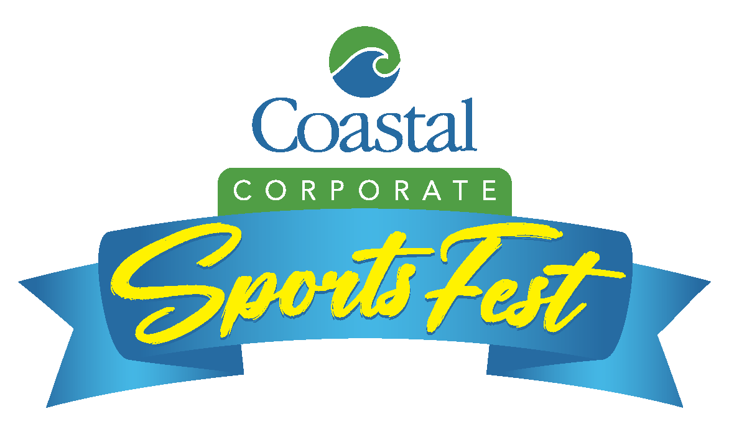

 | Volleyball | Dodgeball | Tug-of-War | Corn Toss | Surf & Turf | OVERALL
FIRST PLACE | PSTA 2 | Evara Health | Great Bay Distributors | Ellison Construction | ARCO Murray | ARCO Murray
SECOND PLACE | ARCO Murray | Ultra Tranz Logistics, LLC | Honeywell 2 | Atwell, LLC | Coastal Construction | BBI Logistics 1

Team | Volleyball | Dodgeball | Tug-of-War | Corn Toss | Surf & Turf | OVERALL
ARCO Murray | 2 | 7 | 9 | 126 | 1 | 1
BBI Logistics 1 | 3 | 28 | 6 | 33 | 8 | 2
Coastal Construction | 15 | 28 | 6 | 17 | 2 | 3
Great Bay Distributors | 15 | 28 | 1 | 3 | 47 | 4
Kisinger Campo and Associates Corp | 15 | 15 | 18 | 33 | 5 | 5
Tampa International Airport 1 | 27 | 4 | 4 | 33 | 47 | 6
Magnum Roofing / F45 Training LOL 1 | 27 | 7 | 34 | 63 | 10 | 7
BAKER CONSTRUCTION | 65 | 28 | 18 | 63 | 3 | 8
Power Of One | 9 | 4 | 9 | 33 | 33 | 8
Catalent Pharma Solutions 2 | 65 | 15 | 18 | 126 | 7 | 10
Atwell, LLC | 27 | 3 | 67 | 2 | 47 | 11
Honeywell 2 | 65 | 15 | 2 | 126 | 18 | 11
BOTE | 65 | 28 | 4 | 10 | 18 | 13
Evara Health | 65 | 1 | 67 | 63 | 76 | 13
MarshMcLennan Agency (MMA) | 64 | 74 | 34 | 33 | 4 | 13
Kiewit Yellow | 103 | 28 | 34 | 126 | 6 | 16
T-Mobile | 109 | 28 | 2 | 63 | 18 | 16
Power Design 1 | 27 | 28 | 9 | 5 | 33 | 18
Power Design 2 | 4 | 15 | 18 | 126 | 33 | 18
Magnum Roofing / F45 Training LOL 2 | 27 | 28 | 34 | 126 | 14 | 20
American Integrity Insurance | 65 | 28 | 67 | 17 | 13 | 21
DPR Construction | 65 | 74 | 18 | 126 | 12 | 21
Ultra Tranz Logistics, LLC | 27 | 2 | 67 | 17 | 112 | 21
Honeywell 1 | 27 | 7 | 34 | 17 | 18 | 24
Robert Half/Protiviti | 65 | 74 | 34 | 63 | 11 | 25
United Airlines | 65 | 74 | 18 | 126 | 15 | 26
BBI Logistics 2 | 27 | 28 | 9 | 33 | 47 | 27
GE Aerospace | 4 | 74 | 18 | 33 | 47 | 27
Mediagistic | 15 | 15 | 34 | 33 | 18 | 27
Brundage Group | 15 | 7 | 67 | 17 | 62 | 30
Kiewit Black | 103 | 74 | 6 | 17 | 18 | 30
SBF Advisors | 9 | 15 | 34 | 63 | 33 | 30
St. Petersburg College | 65 | 28 | 9 | 63 | 16 | 33
TRU Simulation 1 | 65 | 74 | 67 | 126 | 8 | 33
Tampa International Airport 2 | 27 | 74 | 18 | 5 | 33 | 35
Downtown Athletics | 65 | 15 | 34 | 17 | 18 | 36
Moss Construction | 27 | 28 | 18 | 17 | 62 | 36
AmeriLife | 4 | 28 | 67 | 63 | 47 | 38
BlueGrace Logistics 2 | 65 | 15 | 34 | 17 | 62 | 38
onPhase | 15 | 28 | 34 | 63 | 18 | 38
WellnessSpace Brands | 27 | 15 | 34 | 33 | 76 | 38
CBJD | 4 | 74 | 34 | 63 | 62 | 42
Scotlynn USA | 27 | 28 | 67 | 5 | 33 | 42
Chadwell Supply 1 | 9 | 28 | 34 | 63 | 76 | 44
Hensel Phelps | 109 | 28 | 9 | 126 | 33 | 44
The Skills Center | 27 | 74 | 9 | 63 | 76 | 44
Kimley-Horn and Associates, Inc. | 27 | 74 | 34 | 10 | 33 | 47
L'Oreal 2 | 27 | 28 | 34 | 63 | 18 | 47
Moffitt Cancer Center 2 | 4 | 74 | 67 | 17 | 76 | 47
AnyDesk | 65 | 28 | 18 | 63 | 62 | 50
Moffitt Cancer Center 1 | 65 | 7 | 67 | 63 | 62 | 50
SMITH FENCE | 27 | 74 | 67 | 5 | 18 | 52
Southwest Airlines Orlando | 65 | 28 | 18 | 63 | 76 | 52
Stantec, Inc. | 65 | 74 | 9 | 63 | 76 | 52
Tgh Vascular ICU | 27 | 74 | 18 | 126 | 18 | 52
OPSWAT | 65 | 28 | 34 | 17 | 76 | 56
PSTA 2 | 1 | 126 | 67 | 126 | 112 | 56
Allegiant | 27 | 28 | 67 | 33 | 33 | 58
Bankers Financial Corporation | 65 | 15 | 34 | 126 | 76 | 58
BlueGrace Logistics 1 | 27 | 28 | 34 | 63 | 76 | 58
Grow Financial FCU Team 1 | 9 | 74 | 67 | 63 | 16 | 58
MaintenX International 2 | 129 | 4 | 67 | 126 | 76 | 58
TRU Simulation 2 | 65 | 7 | 67 | 126 | 76 | 58
Burns and Wilcox 1 | 27 | 28 | 67 | 63 | 18 | 64
GE ITI | 27 | 28 | 67 | 17 | 76 | 64
General Dynamics OTS 1 | 27 | 28 | 34 | 126 | 62 | 64
Hivelocity | 9 | 74 | 34 | 17 | 112 | 64
Werner Logistics | 27 | 74 | 67 | 10 | 33 | 64
Ellison Construction | 109 | 126 | 67 | 1 | 18 | 69
Honeywell 3 | 27 | 28 | 34 | 126 | 76 | 69
Metropolitan Ministries | 65 | 28 | 67 | 10 | 76 | 69
TouchPoint Medical | 65 | 74 | 34 | 17 | 47 | 69
Bloomin' Brands | 65 | 28 | 34 | 63 | 76 | 73
Boley Centers, Inc. | 65 | 28 | 34 | 63 | 76 | 73
Chromalloy Belac | 109 | 7 | 34 | 126 | 112 | 73
Chromalloy Castings | 9 | 74 | 67 | 33 | 76 | 73
IntelAgree | 109 | 74 | 18 | 63 | 33 | 73
J.W. Cole Financial 2 | 65 | 15 | 34 | 63 | 112 | 73
MIDFLORIDA Credit Union | 109 | 15 | 34 | 126 | 76 | 73
PCL Construction, Inc. | 103 | 74 | 18 | 33 | 76 | 73
Burns and Wilcox 2 | 27 | 74 | 67 | 10 | 76 | 81
L'Oreal 1 | 27 | 28 | 67 | 63 | 62 | 81
White & Case | 15 | 74 | 67 | 63 | 33 | 81
AMIKIDS, INC | 65 | 28 | 67 | 63 | 33 | 84
BayCare - SJN | 27 | 28 | 67 | 126 | 47 | 84
HCA Anesthesia | 15 | 74 | 34 | 33 | 112 | 84
Jabil Defense and Aerospace 2 | 27 | 28 | 67 | 126 | 47 | 84
Tampa Bay Business Journal | 27 | 28 | 67 | 126 | 47 | 84
BTR & BTT/L | 27 | 74 | 67 | 33 | 47 | 89
CURA | 103 | 28 | 67 | 33 | 47 | 89
GIS Benefits | 65 | 126 | 18 | 33 | 76 | 89
J.W. Cole Financial 1 | 15 | 74 | 67 | 63 | 62 | 89
MaintenX International 1 | 109 | 74 | 18 | 63 | 76 | 89
Paramount Home Group | 27 | 15 | 130 | 126 | 62 | 89
Tampa International Airport 3 | 109 | 28 | 34 | 63 | 76 | 89
TeamViewer US LLC 1 | 27 | 74 | 67 | 17 | 76 | 89
The Fountain Group | 27 | 28 | 67 | 126 | 62 | 89
Chadwell Supply 2 | 15 | 28 | 67 | 63 | 112 | 98
Trident Transport | 15 | 74 | 130 | 3 | 112 | 98
BCC Engineering, LLC | 65 | 74 | 67 | 33 | 33 | 100
CDW SportsFest 1 | 109 | 74 | 9 | 126 | 112 | 100
Lonza | 109 | 28 | 34 | 126 | 76 | 100
Mid Atlantic Finance | 65 | 74 | 34 | 63 | 76 | 100
Orthopaedic Medical Group Surgery Center | 27 | 74 | 67 | 33 | 76 | 100
TeamViewer US LLC 2 | 27 | 74 | 67 | 126 | 18 | 100
Catalent Pharma Solutions 1 | 27 | 74 | 67 | 63 | 62 | 106
LRD Fencing | 65 | 74 | 67 | 5 | 112 | 107
PulteGroup | 103 | 28 | 67 | 126 | 47 | 107
SCS Engineers | 65 | 74 | 67 | 33 | 62 | 107
Central Florida Health Care | 109 | 28 | 67 | 63 | 76 | 110
CLA | 65 | 74 | 67 | 33 | 76 | 110
General Dynamics OTS 2 | 65 | 74 | 67 | 63 | 47 | 110
Grow Financial FCU Team 2 | 109 | 28 | 67 | 63 | 76 | 110
Jabil 1 | 65 | 74 | 67 | 126 | 18 | 110
TD SYNNEX | 109 | 7 | 130 | 63 | 112 | 110
CDW SportsFest 2 | 65 | 74 | 67 | 10 | 112 | 116
HAYS | 65 | 74 | 67 | 126 | 47 | 117
JE Dunn Construction | 109 | 74 | 67 | 33 | 76 | 118
Mettler Toledo Product Inspection | 109 | 74 | 67 | 33 | 76 | 118
Children's Network of Hillsborough | 65 | 74 | 34 | 126 | 112 | 120
Delta AirLines, Inc. | 65 | 74 | 67 | 126 | 76 | 120
Tampa Family Health Centers | 103 | 74 | 67 | 126 | 76 | 122
Whitecap Sports | 27 | 74 | 67 | 126 | 112 | 122
American Structurepoint, Inc. | 109 | 28 | 67 | 126 | 112 | 124
FAMR | 109 | 28 | 67 | 126 | 112 | 124
Invitation Homes | 109 | 126 | 67 | 33 | 62 | 124
PSTA 1 | 15 | 126 | 67 | 126 | 112 | 127
Forvis Mazars | 27 | 126 | 67 | 63 | 112 | 128
Bausch + Lomb | 109 | 74 | 130 | 63 | 76 | 129
Plasma-Therm | 109 | 74 | 67 | 63 | 112 | 129
Select GCR | 130 | 74 | 67 | 33 | 112 | 131
The Beck Group | 132 | 74 | 130 | 33 | 112 | 132
Valet Living | 130 | 126 | 67 | 63 | 112 | 132
William Frederick LLC | 65 | 126 | 130 | 126 | 112 | 132
Raft | 132 | 126 | 67 | 126 | 112 | 135
Shiloh Fitness Health and Wellness Ministry | 132 | 126 | 67 | 126 | 112 | 135

